Solution
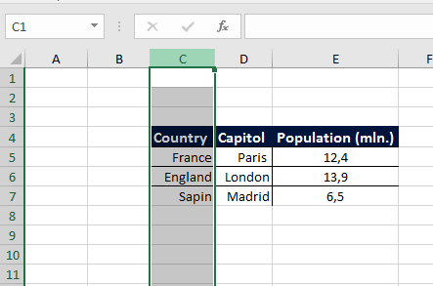
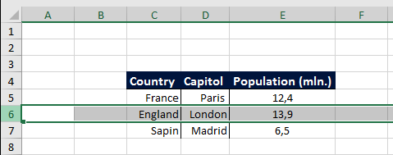
Country | Capitol | Population (mln.)
France | Paris | 12.4
England | London | 13.9
Sapin | Madrid | 6.5
 |  |  | Hint for Pts. 2 and 3:

 |  |  | To mark the entire column C and the entire 6th row, you will need to either click on "C" and the number "6" respectively, or select, cell C6 and then use the keyboard combinations Shift + Space and Ctrl + Space.

